Picture
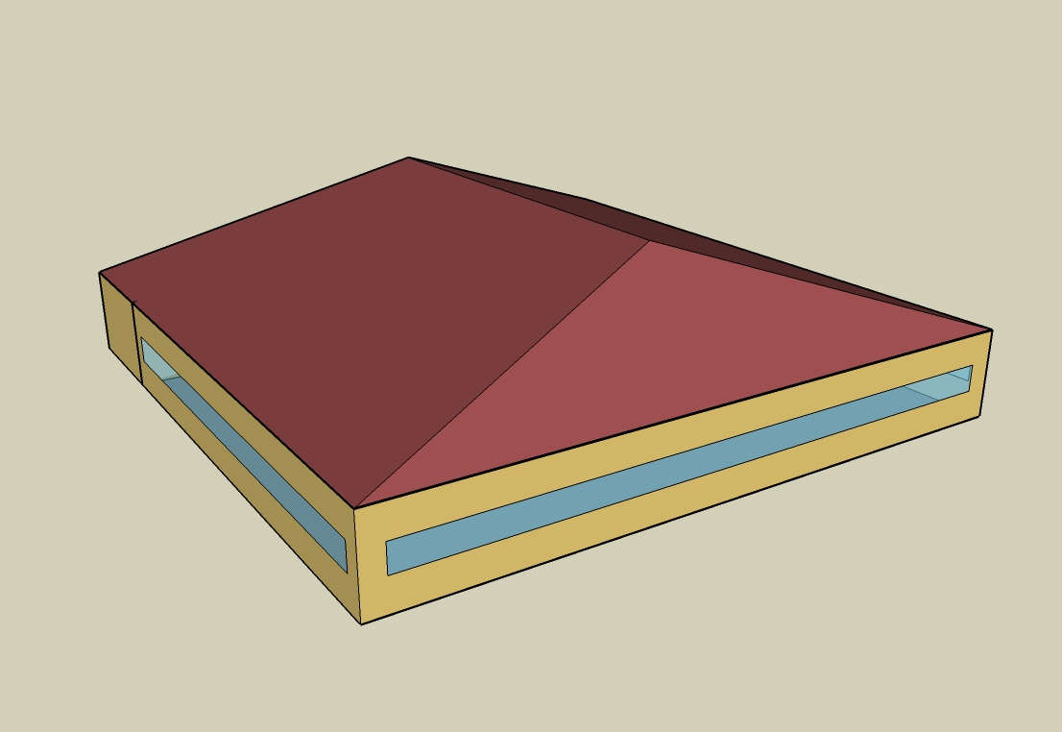
DOE Commercial Building Benchmark - Sit Down Restaurant

Electricity
 | Cooling | Interior Lighting | Exterior Lighting | Interior Equipment | Fans | Refrigeration
Miami | 136,575.00 | 51,558.33 | 6,483.33 | 181,200.00 | 51,855.56 | 18,744.44
Houston | 97,047.22 | 51,558.33 | 6,480.56 | 181,200.00 | 51,397.22 | 18,527.78
Phoenix | 79,666.67 | 51,558.33 | 6,480.56 | 181,200.00 | 52,050.00 | 18,269.44
Atlanta | 57,555.56 | 51,558.33 | 6,480.56 | 181,200.00 | 50,952.78 | 18,275.00
Los Angeles | 9,702.78 | 51,558.33 | 6,475.00 | 181,200.00 | 48,925.00 | 18,408.33
Las Vegas | 56,069.44 | 51,558.33 | 6,472.22 | 181,200.00 | 51,588.89 | 18,094.44
San Francisco | 2,344.44 | 51,558.33 | 6,477.78 | 181,200.00 | 46,416.67 | 18,136.11
Baltimore | 43,891.67 | 51,558.33 | 6,472.22 | 181,200.00 | 50,427.78 | 18,041.67
Albuquerque | 24,863.89 | 51,558.33 | 6,475.00 | 181,200.00 | 53,891.67 | 18,050.00
Seattle | 4,755.56 | 51,558.33 | 6,461.11 | 181,200.00 | 47,544.44 | 17,991.67
Chicago | 24,652.78 | 51,558.33 | 6,475.00 | 181,200.00 | 49,880.56 | 17,925.00
Boulder | 15,858.33 | 51,558.33 | 6,469.44 | 181,200.00 | 52,638.89 | 17,955.56
Minneapolis | 21,683.33 | 51,558.33 | 6,469.44 | 181,200.00 | 50,191.67 | 17,758.33
Helena | 9,272.22 | 51,558.33 | 6,466.67 | 181,200.00 | 51,158.33 | 17,786.11
Duluth | 6,802.78 | 51,558.33 | 6,463.89 | 181,200.00 | 48,544.44 | 17,544.44
Fairbanks | 2,055.56 | 51,558.33 | 6,425.00 | 181,200.00 | 47,641.67 | 17,105.56

Gas
 | Heating | Interior Equipment | Water Systems
Miami | 14,120.00 | 1,201,410.00 | 121,280.00
Houston | 187,430.00 | 1,201,410.00 | 152,320.00
Phoenix | 143,250.00 | 1,201,410.00 | 134,470.00
Atlanta | 353,780.00 | 1,201,410.00 | 182,230.00
Los Angeles | 117,260.00 | 1,201,410.00 | 176,430.00
Las Vegas | 233,440.00 | 1,201,410.00 | 155,960.00
San Francisco | 353,600.00 | 1,201,410.00 | 202,030.00
Baltimore | 615,840.00 | 1,201,410.00 | 205,750.00
Albuquerque | 422,180.00 | 1,201,410.00 | 201,280.00
Seattle | 599,240.00 | 1,201,410.00 | 217,980.00
Chicago | 834,500.00 | 1,201,410.00 | 226,380.00
Boulder | 610,830.00 | 1,201,410.00 | 225,310.00
Minneapolis | 1,055,670.00 | 1,201,410.00 | 244,220.00
Helena | 908,140.00 | 1,201,410.00 | 247,460.00
Duluth | 1,302,820.00 | 1,201,410.00 | 273,640.00
Fairbanks | 1,985,660.00 | 1,201,410.00 | 309,230.00

EUI
 | Cooling (elec) | Interior Lighting (elec) | Exterior Lighting (elec) | Interior Equipment (elec) | Fans (elec) | Refrigeration (elec) | Heating (gas) | Interior Equipment (gas) | Water Systems (gas)
Miami | 961.89 | 363.12 | 45.66 | 1276.18 | 365.22 | 132.02 | 27.62 | 2350.41 | 237.27
Houston | 683.50 | 363.12 | 45.64 | 1276.18 | 361.99 | 130.49 | 366.68 | 2350.41 | 297.99
Phoenix | 561.09 | 363.12 | 45.64 | 1276.18 | 366.59 | 128.67 | 280.25 | 2350.41 | 263.07
Atlanta | 405.36 | 363.12 | 45.64 | 1276.18 | 358.86 | 128.71 | 692.13 | 2350.41 | 356.51
Los Angeles | 68.34 | 363.12 | 45.60 | 1276.18 | 344.58 | 129.65 | 229.40 | 2350.41 | 345.16
Las Vegas | 394.89 | 363.12 | 45.58 | 1276.18 | 363.34 | 127.44 | 456.70 | 2350.41 | 305.12
San Francisco | 16.51 | 363.12 | 45.62 | 1276.18 | 326.91 | 127.73 | 691.77 | 2350.41 | 395.25
Baltimore | 309.13 | 363.12 | 45.58 | 1276.18 | 355.16 | 127.07 | 1204.81 | 2350.41 | 402.52
Albuquerque | 175.11 | 363.12 | 45.60 | 1276.18 | 379.56 | 127.13 | 825.94 | 2350.41 | 393.78
Seattle | 33.49 | 363.12 | 45.51 | 1276.18 | 334.85 | 126.71 | 1172.34 | 2350.41 | 426.45
Chicago | 173.63 | 363.12 | 45.60 | 1276.18 | 351.31 | 126.24 | 1632.59 | 2350.41 | 442.88
Boulder | 111.69 | 363.12 | 45.56 | 1276.18 | 370.73 | 126.46 | 1195.01 | 2350.41 | 440.79
Minneapolis | 152.71 | 363.12 | 45.56 | 1276.18 | 353.50 | 125.07 | 2065.28 | 2350.41 | 477.79
Helena | 65.30 | 363.12 | 45.54 | 1276.18 | 360.31 | 125.27 | 1776.66 | 2350.41 | 484.12
Duluth | 47.91 | 363.12 | 45.52 | 1276.18 | 341.90 | 123.56 | 2548.80 | 2350.41 | 535.34
Fairbanks | 14.48 | 363.12 | 45.25 | 1276.18 | 335.54 | 120.47 | 3884.69 | 2350.41 | 604.97

Water
 | Total Building | Water for Electricity (m3)
Miami | 1,375.88 | 236.49
Houston | 1,375.88 | 660.95
Phoenix | 1,375.88 | 11,561.70
Atlanta | 1,375.88 | 2,285.31
Los Angeles | 1,375.88 | 5,552.96
Las Vegas | 1,375.88 | 10,013.00
San Francisco | 1,375.88 | 5,374.98
Baltimore | 1,375.88 | 79.82
Albuquerque | 1,375.88 | 1,525.89
Seattle | 1,375.88 | 3,162.22
Chicago | 1,375.88 | 514.60
Boulder | 1,375.88 | 1,478.86
Minneapolis | 1,375.88 | 510.21
Helena | 1,375.88 | 20,108.10
Duluth | 1,375.88 | 484.23
Fairbanks | 1,375.88 | 312.62

Carbon
 | Carbon Equivalent (kg)
Miami | 146,536.80
Houston | 163,287.90
Phoenix | 144,169.92
Atlanta | 144,079.25
Los Angeles | 63,921.55
Las Vegas | 151,787.34
San Francisco | 67,460.49
Baltimore | 131,358.60
Albuquerque | 170,179.10
Seattle | 58,944.53
Chicago | 217,635.64
Boulder | 169,782.86
Minneapolis | 157,671.77
Helena | 158,508.71
Duluth | 156,927.49
Fairbanks | 149,148.54

LghtSch
Lighting Schedules
 | Weekday | Sat | WinterDesign | Sun, Hol, Other
 | 0.15 | 0.2 | 0 | 0.2
 | 0.15 | 0.15 | 0 | 0.15
 | 0.15 | 0.15 | 0 | 0.15
 | 0.15 | 0.15 | 0 | 0.15
 | 0.15 | 0.15 | 0 | 0.15
 | 0.2 | 0.15 | 0 | 0.15
 | 0.4 | 0.3 | 0 | 0.3
 | 0.4 | 0.3 | 0 | 0.3
 | 0.6 | 0.6 | 0 | 0.5
 | 0.6 | 0.6 | 0 | 0.5
 | 0.9 | 0.8 | 0 | 0.7
 | 0.9 | 0.8 | 0 | 0.7
 | 0.9 | 0.8 | 0 | 0.7
 | 0.9 | 0.8 | 0 | 0.7
 | 0.9 | 0.8 | 0 | 0.7
 | 0.9 | 0.8 | 0 | 0.7
 | 0.9 | 0.8 | 0 | 0.6
 | 0.9 | 0.9 | 0 | 0.6
 | 0.9 | 0.9 | 0 | 0.6
 | 0.9 | 0.9 | 0 | 0.6
 | 0.9 | 0.9 | 0 | 0.6
 | 0.9 | 0.9 | 0 | 0.6
 | 0.5 | 0.5 | 0 | 0.5
 | 0.3 | 0.3 | 0 | 0.3

EqpSch
Kitchen Euipment Schedules
 | Weekday | Sat | Sun, Hol, Other
 | 0.15 | 0.15 | 0.15
 | 0.15 | 0.15 | 0.15
 | 0.15 | 0.15 | 0.15
 | 0.15 | 0.15 | 0.15
 | 0.15 | 0.15 | 0.15
 | 0.15 | 0.15 | 0.15
 | 0.25 | 0.25 | 0.25
 | 0.3 | 0.3 | 0.3
 | 0.3 | 0.3 | 0.3
 | 0.3 | 0.3 | 0.3
 | 0.3 | 0.3 | 0.3
 | 0.3 | 0.3 | 0.3
 | 0.3 | 0.3 | 0.3
 | 0.3 | 0.3 | 0.3
 | 0.3 | 0.3 | 0.3
 | 0.3 | 0.3 | 0.3
 | 0.3 | 0.3 | 0.3
 | 0.3 | 0.3 | 0.3
 | 0.3 | 0.3 | 0.3
 | 0.3 | 0.3 | 0.3
 | 0.3 | 0.3 | 0.3
 | 0.3 | 0.3 | 0.3
 | 0.3 | 0.3 | 0.3
 | 0.3 | 0.3 | 0.3

GasEquipSch
Kitchen Gas Equipment Schedule
 | WD, Sat
 | 0.02
 | 0.02
 | 0.02
 | 0.02
 | 0.02
 | 0.05
 | 0.1
 | 0.15
 | 0.2
 | 0.15
 | 0.25
 | 0.25
 | 0.25
 | 0.2
 | 0.15
 | 0.2
 | 0.3
 | 0.3
 | 0.3
 | 0.2
 | 0.2
 | 0.15
 | 0.1
 | 0.05

OccSch
Occupancy Schedules
 | WD | Sat | Sun, Hol, Other
 | 0.05 | 0.05 | 0.05
 | 0 | 0 | 0
 | 0 | 0 | 0
 | 0 | 0 | 0
 | 0 | 0 | 0
 | 0.05 | 0 | 0
 | 0.1 | 0.05 | 0.05
 | 0.4 | 0.5 | 0.5
 | 0.4 | 0.5 | 0.5
 | 0.4 | 0.4 | 0.2
 | 0.2 | 0.2 | 0.2
 | 0.5 | 0.45 | 0.3
 | 0.8 | 0.5 | 0.5
 | 0.7 | 0.5 | 0.5
 | 0.4 | 0.35 | 0.3
 | 0.2 | 0.3 | 0.2
 | 0.25 | 0.3 | 0.25
 | 0.5 | 0.3 | 0.35
 | 0.8 | 0.7 | 0.55
 | 0.8 | 0.9 | 0.65
 | 0.8 | 0.7 | 0.7
 | 0.5 | 0.65 | 0.35
 | 0.35 | 0.55 | 0.2
 | 0.2 | 0.35 | 0.2

HeatSch
Dining Heating Set Point Schedules
 | WD | WinterDesign | Sat
 | 16 | 21 | 16
 | 16 | 21 | 16
 | 16 | 21 | 16
 | 16 | 21 | 16
 | 16 | 21 | 16
 | 21 | 21 | 21
 | 21 | 21 | 21
 | 21 | 21 | 21
 | 21 | 21 | 21
 | 21 | 21 | 21
 | 21 | 21 | 21
 | 21 | 21 | 21
 | 21 | 21 | 21
 | 21 | 21 | 21
 | 21 | 21 | 21
 | 21 | 21 | 21
 | 21 | 21 | 21
 | 21 | 21 | 21
 | 21 | 21 | 21
 | 21 | 21 | 21
 | 21 | 21 | 21
 | 21 | 21 | 21
 | 21 | 21 | 21
 | 21 | 21 | 21

CoolSch
Dining Cooling Set Point Schedules
 | Sun, Hol, Other | WD, SummerDesign | WinterDesign
 | 16 | 30 | 30
 | 16 | 30 | 30
 | 16 | 30 | 30
 | 16 | 30 | 30
 | 16 | 30 | 30
 | 21 | 24 | 30
 | 21 | 24 | 30
 | 21 | 24 | 30
 | 21 | 24 | 30
 | 21 | 24 | 30
 | 21 | 24 | 30
 | 21 | 24 | 30
 | 21 | 24 | 30
 | 21 | 24 | 30
 | 21 | 24 | 30
 | 21 | 24 | 30
 | 21 | 24 | 30
 | 21 | 24 | 30
 | 21 | 24 | 30
 | 21 | 24 | 30
 | 21 | 24 | 30
 | 21 | 24 | 30
 | 21 | 24 | 30
 | 21 | 24 | 30

HeatSchKitchen
Kitchen Heating Set Point Schedules
 | WD | WinterDesign | Sat
 | 19 | 21 | 19
 | 15.6 | 21 | 15.6
 | 15.6 | 21 | 15.6
 | 15.6 | 21 | 15.6
 | 15.6 | 21 | 15.6
 | 19 | 21 | 19
 | 19 | 21 | 19
 | 19 | 21 | 19
 | 19 | 21 | 19
 | 19 | 21 | 19
 | 19 | 21 | 19
 | 19 | 21 | 19
 | 19 | 21 | 19
 | 19 | 21 | 19
 | 19 | 21 | 19
 | 19 | 21 | 19
 | 19 | 21 | 19
 | 19 | 21 | 19
 | 19 | 21 | 19
 | 19 | 21 | 19
 | 19 | 21 | 19
 | 19 | 21 | 19
 | 19 | 21 | 19
 | 19 | 21 | 19

CoolSchKitchen
Kitchen Cooling Set Point Schedules
 | WD, SummerDesign | Sat | Sun, Hol, Other
 | 26 | 26 | 26
 | 30 | 30 | 30
 | 30 | 30 | 30
 | 30 | 30 | 30
 | 30 | 30 | 30
 | 26 | 26 | 26
 | 26 | 26 | 26
 | 26 | 26 | 26
 | 26 | 26 | 26
 | 26 | 26 | 26
 | 26 | 26 | 26
 | 26 | 26 | 26
 | 26 | 26 | 26
 | 26 | 26 | 26
 | 26 | 26 | 26
 | 26 | 26 | 26
 | 26 | 26 | 26
 | 26 | 26 | 26
 | 26 | 26 | 26
 | 26 | 26 | 26
 | 26 | 26 | 26
 | 26 | 26 | 26
 | 26 | 26 | 26
 | 26 | 26 | 26

